MM Coat - Placement
LETTER PLACEMENT FORM - Fireline® Multi Mission Field Coat
Directions: | Fill in the Yellow Cells and select from drop down menus. |  |  | Item #
 | Maximum letters direct to coat is 6 of the 3" or 9 of the 2" letters.
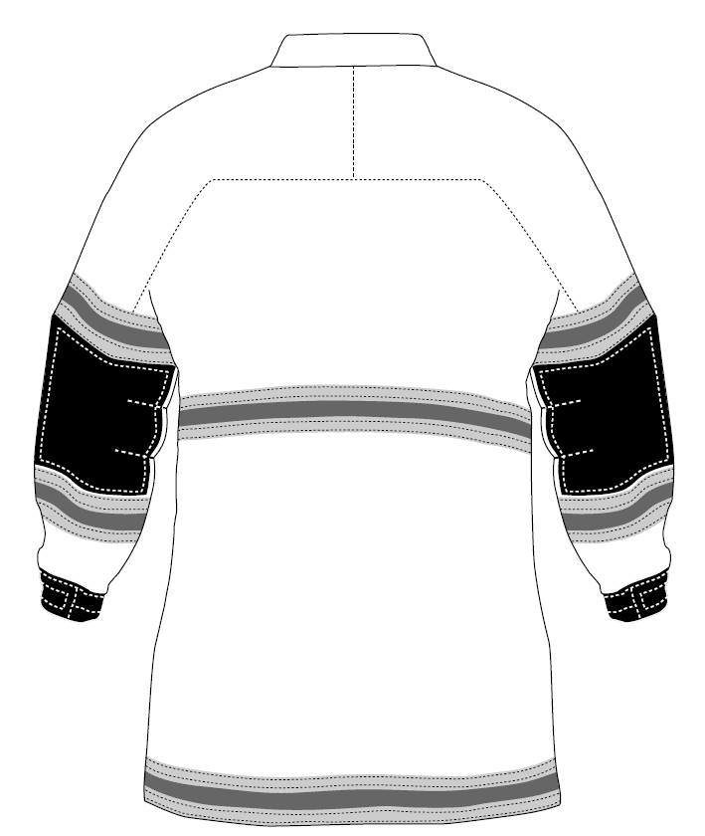
*Shown with Optional Trim Package*
LETTERING 1" BELOW SEAM

 |  |  |  | Position 1:
 |  |  |  | Banner Opt:
 |  |  |  | Letter Opt:

 |  |  |  | Position 2:
 |  |  |  | Banner Opt:
 |  |  |  | Letter Opt:

 |  |  |  | Position 3:
 |  |  |  | Banner Opt:
 |  |  |  | Letter Opt:

NOTES:

 | Please return form to PGI via email: orders@pgi-inc.com or fax 920-294-4307.
PGI Order # |  |  | Issued By:
PO# |  |  | Date:

Banner | Description | Size | Approximate Maximum Letters Per Banner | Letters & Description
No Banner |  |  |  | 21-FL - 2" Silver Letters
31-FL | Sew On - Matching | (4" X 15") | 6 ea - 3" letters; 8 ea - 2" letters | 22-FL - 2" Lime/Yellow Letters
31-FL(98) | Sew On - Black | (4" X 15") | 6 ea - 3" letters; 8 ea - 2" letters | 5-FL - 3" Silver Letters
48-FL | Hook and Loop - Matching | (5" X 15") | 6 ea - 3" letters; 8 ea - 2" letters | 23-FL - 3" Lime/Yellow Letters
48-FL(98) | Hook and Loop - Black | (5" X 15") | 6 ea - 3" letters; 8 ea - 2" letters | 78-FL - 2" Lime/Yellow Sew On Letters
50-FL | Sew On - Matching | (8" X 16") | 6 ea - 3" letters; 8 ea - 2" letters | 79-F - 2" Red/Orange Sew On Letters
50-FL(98) | Sew On - Black | (8" X 16") | 6 ea - 3" letters; 8 ea - 2" letters | 75-FL - 3" Lime/Yellow Sew On Letters
82-FL | Sew On - Matching | (4" X 20") | 8 ea - 3" letters; 10 ea - 2" letters | 76-FL - 3" Red/Orange Sew On Letters
82-FL(98) | Sew On - Black | (4" X 20") | 8 ea - 3" letters; 10 ea - 2" letters | 70-FL - 2" Red/Orange Heat Set Letters
85-FL | Hook and Loop - Matching | (5" X 20") | 8 ea - 3" letters; 10 ea - 2" letters | 24-FL - 3" Red/Orange Heat Set Letters
85-FL(98) | Hook and Loop - Black | (5" X 20") | 8 ea - 3" letters; 10 ea - 2" letters

